User Notes

 |  | Block Design Collective - Section Properties and Wall Weights Calculator
 |  | Version 2.0 Last Revised July 2026
 | DISCLAIMER: The Block Design Collective (“BDC”) does not make any representations or warranties with respect to the accuracy or suitability of this information, and persons making use of this information do so at their own risk. BDC disclaims liability for damages of any kind, including any special, indirect, or consequential damages, which may result from use of this information. This information is not to be interpreted as indicating compliance with, or waiver of, any applicable building code, ordinance, standard or law.

User Notes and Calculator Assumptions
1) This calculator determines net and average cross-sectional properties based on user defined inputs. Net section properties represent the smallest cross-section of an assembly and are used for calculating assembly strength. Average section properties represent the average cross-section of an assembly and are used for calculating assembly stiffness. This calculator determines the net cross-sectional properties through a plane concurrent with a mortar joint while average section properties are determined through a plane concurrent with the mid-height or mid-length of a unit in the assembly.
2) Highlighted cells are user inputs. All inputs and outputs use inch-pound units.
3) The "Inputs-Outputs" sheet allows users to input the following assembly properties:
a) Nominal width
b) CMU density
c) Grout spacing
d) Unit configuration (hollow or solid)
e) Mortar bedding (face shell or full)
Users can also select between net or average section properties as outputs as well as whether the cross-section is taken in a horizontal (for assemblies spanning vertically) or vertical (for assemblies spanning horizontally) direction. All cross-sectional property outputs are a per foot unit strip. All wall weight outputs are averaged pounds per square foot of wall surface. The tabs "Horizontal and Vertical Section Properties do not require user inputs and are used solely to calculate section properties.
4) The calculator is based on a unit consisting of two cells similar to that shown here. Users may modify the face shell and web thicknesses used in determining the cross-section properties and wall weights provided inputs still meet the minimum face shell and web thickness requirements of ASTM C90 (below).
5) The calculator produces two output options simultaneously: the cross-sectional area, moment of inertia, section modulus, radius of gyration, and wall weight for the specific inputs provided as well as tabulated properties for all grout spacings up to 120 in. For grouted assemblies, the web adjacent to the grouted cells are assumed to be mortared.
Notations
A_{avg} = average cross-sectional area, in.²/ft
A_{net} = net cross-sectional area, in.²/ft
I_{avg} = average moment of inertia, in.⁴/ft
I_{net} = net moment of inertia, in.⁴/ft
r_{avg} = average radius of gyration, in.³
r_{net} = net radius of gyration, in.³
S_{avg} = average section modulus, in.³/ft
S_{net} = net section modulus, in.³/ft
t_{fs} = face shell thickness, in.
t_{web} = web thickness, in.
Cracked Moment of Inertia (I_{cr})
Added to Version 2 of this calculator are options to calculate the cracked moment of inertia when determining the deflection of masonry wall assemblies designed using the strength design provisions of TMS 402. Based on user preferences, the cracked moment of inertia can be calculated using either the 2022 edition of TMS 402 or the 2016 edition of TMS 402. In developing the 2022 edition of TMS 402, the design model was recalibrated to better account for the impact of reinforcing steel offset from the centerline of the assembly.
Protection
To prevent the inadvertent changing of this calculator's functions, many of the cells are locked from editing. Users may unlock the spreadsheet if desired using the password "bloxrox".

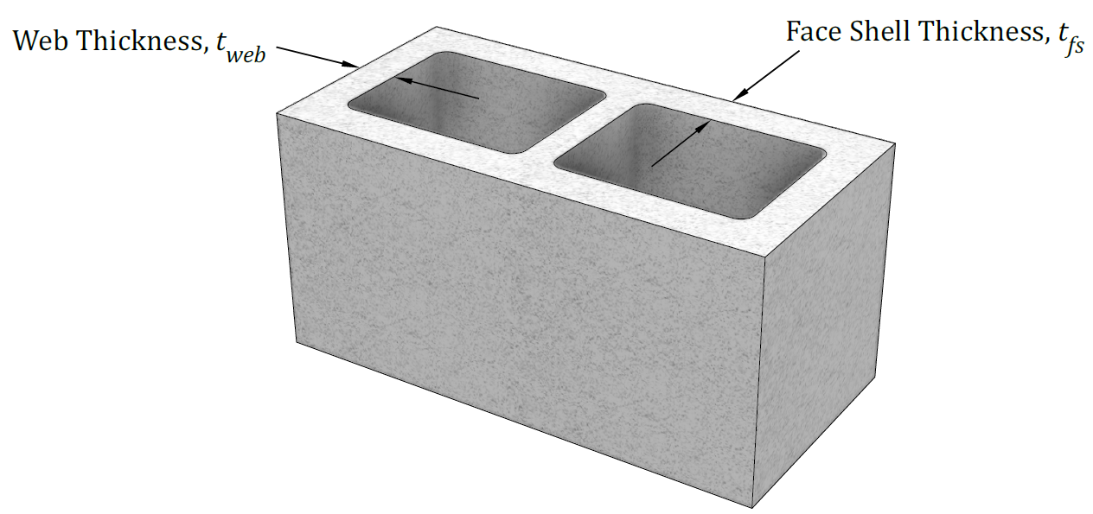

ASTM C90 Minimum Face Shell and Web Thickness Requirements

Cracked MOI
 |  | Cracked Moment of Inertia Based on 2022 Edition of TMS 402 | Cracked Moment of Inertia Based on 2016 Edition of TMS 402
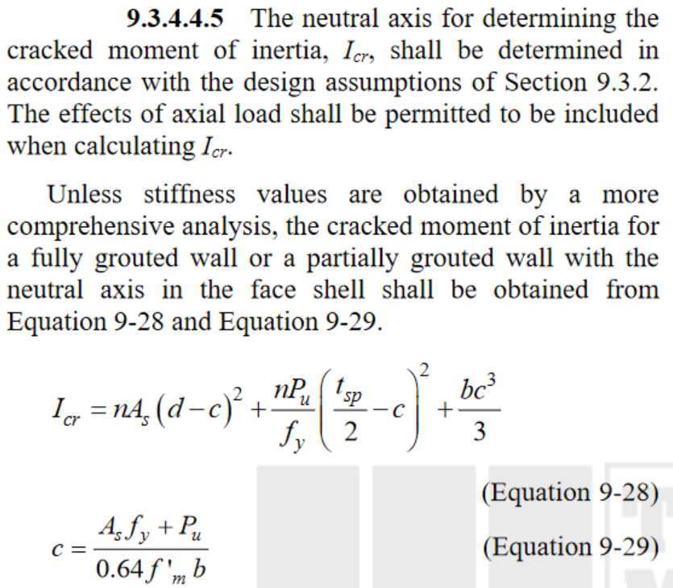
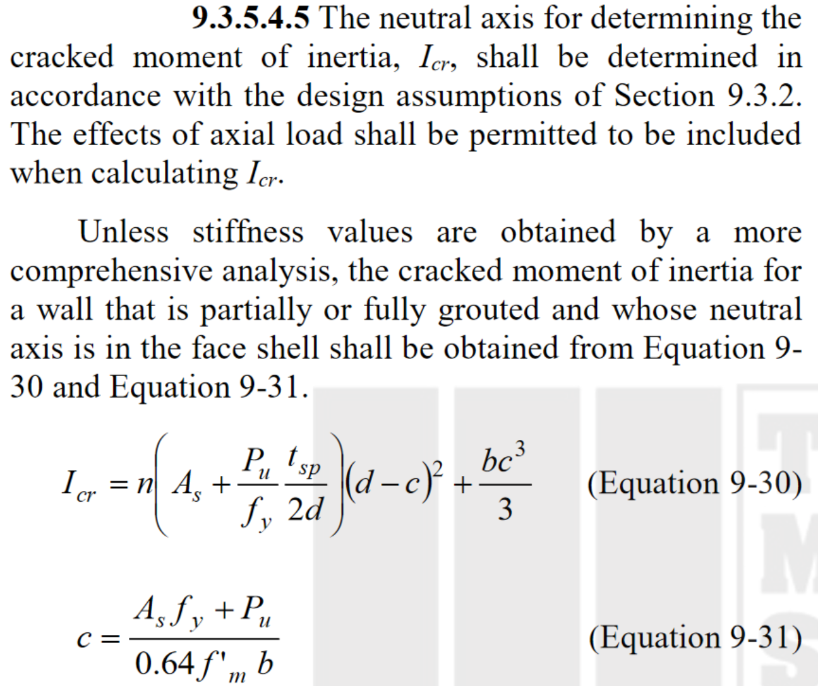

Edition of TMS 402 = | 2016
Nominal Assembly Thickness (in.)= | 8
Specified Compressive Strength of Masonry, f'm (lb/in.2) = | 2,000
Effective Depth of Reinforcement, d (in.) = | 3.813
Specified Yield Strength of Reinforcement, fy (lb/in.2) = | 60,000
Area of Reinforcement, As (in.2) = | 0.20
Spacing of Reinforcement, s (in.) = | 48
Factored Axial Load, Pu (lb/ft) = | 5,000

Specified Assembly Thickness, tsp (in.)= | 7.63
Modulus of Elasticity of Masonry, f'm (lb/in.2) = | 1,800,000
Modulus of Elasticity of Reinforcement, f'y (lb/in.2) = | 29,000,000
Modular Ratio, n = | 16.11
Normalized Area of Reinforcement, As (in.2/ft) = | 0.05
Maximum Effective Compression Width, bmax (in.) = | 48
Effective Compression Width, b (in./ft) = | 12.00
Depth to Neutral Axis, c (in.) = | 0.52

Cracked Moment of Inertia, Icr (in.4/ft) = | 23.84

