User Notes


Concrete Masonry Screen Wall Calculator
Version 1.2 Last Revised August 2026
User Inputs - Concrete Masonry Screen Wall Design Calculator
This calculator designs concrete masonry screen walls in accordance with the strength design provisions of TMS 402/602-22 and the loading criteria of ASCE/SEI 7-22 Chapter 28 for interior screen wall assemblies, ASCE/SEI 7 Chapter 29 for exterior screen wall assemblies, and Chapter 13 for seismic loading. Loading criteria is based on a uniform loading over wall surface with resultant at mid-height and mid-length of the assembly. Highlighted cells are user inputs. Inputs and outputs use inch-pound units.
Concrete masonry units used in the construction of open screen walls are available in a wide variety of shapes and configurations. A requisite of this calculator is that the units have full interfacing head and bed joints and are laid in a full bed of mortar at all head and bed joints. Additional information on the detailing and construction of concrete masonry screen wall assemblies is available here: https://www.cmha.org/resource/tek-03-16a/.
User Inputs - Assembly Properties
1) Nominal CMU Thickness, t (in.) - Options include 4, 6, and 8 in. concrete masonry units. The specified wall thickness is assumed to be ³/₈ in. less than the nominal wall thickness.
2) Percent Solid of Assembly - The open area of screen block allow wind to pass through the assembly, thereby reducing the design wind pressure. Screen block typically have an open area in the range of 40% to 60%, but could be more or less depending on the configuration of the unit. To be considered an 'open' assembly, ASCE/SEI 7 requires a minimum open space of 30%.
3) CMU Density (lb/ft³) - Most concrete masonry units have densities that vary from 100 lb/ft³ to 130 lb/ft³, depending on the aggregate used in their production. The density of the CMU is used in determining the assembly weight for applicable out-of-plane design checks, and when applicable, corresponding out-of-plane seismic loads.
4) Span Direction, Support, and Design Modeling - This calculator allows modeling assuming either vertical or horizontal spanning construction, simple or cantilevered supports, and either reinforced or unreinforced construction. Combinations of these modeling assumptions are limited based on construction practicalities. These include: a) Reinforced assemblies are assumed to span in the horizontal direction only using joint reinforcement given the lack of vertically continuous cells capable of being reinforced. b) A cantilevered assembly is assumed capable of spanning in the vertical direction only.
5) Mortar Type - When joint reinforcement is used to resist applied loads (such as modeled with this calculator when a reinforced assembly is selected), TMS 402 limits the mortar to either portland cement/lime or mortar cement mortars. As such, masonry cement mortar and air-entrained portland cement/lime mortar is not permitted when designing reinforced assemblies using this calculator. Otherwise, any mortar can be used in the construction of screen wall assemblies.
6) Design Span, H or L (ft) - Either the height (vertical) or the length (horizontal) design span length based on user selected span direction. While any design span length may be selected, concrete masonry construction is ideally laid out using modular dimensions that are a multiple of 8 inches.
7) Size of Joint Reinforcement - The most commonly used/available joint reinforcing size is 9 gauge (W1.7 having a diameter of 0.148 in.) wire, however, TMS 402 allows up to ³/₁₆ in. (W2.8 having a diameter of 0.187 in.) joint reinforcing wire to be used. Specifying ³/₁₆ in. diameter should be done with caution as this is the largest diameter of wire that can be placed in a ³/₈ in. thick mortar joint, effectively leaving no room to accommodate construction tolerances or lap splicing of the joint reinforcing.
8) Spacing of Joint Reinforcement (in.) - Joint reinforcement is most commonly spaced at 16 in. on center in concrete masonry construction, but this spacing may be decreased to 8 in. on center where design loads warrant additional horizontal reinforcing steel. Inputs also allow for 4 in. and 12 in. spacing options, but these are only applicable to concrete masonry assemblies constructed using half-high (nominally 4 in. tall) concrete masonry units.
9) Specified Yield Strength of Joint Reinforcement, f_{yJR} (lb/in.²) - Most cold-drawn joint reinforcing wire has a specified yield strength of 70,000 lb/in.². This is also the maximum specified yield strength permitted by TMS 402 for joint reinforcement.
10) Specified Masonry Compressive Strength, f'_{m} (lb/in.²) - In accordance with TMS 402, nonloadbearing walls are permitted to carry only a maximum of 200 lb/ft of allowable stress level axial load in addition to their self-weight. As such, there is usually little structural benefit in specifying a high strength masonry assembly for typical screen wall applications. A standard concrete masonry unit meeting the minimum requirements of ASTM C90 has a compressive strength of 2,000 lb/in.². When laid in Type S mortar, the resulting assembly compressive strength (f'_{m}) is 2,000 lb/in.². When laid in Type N mortar, the resulting assembly compressive strength (f'_{m}) is 1,750 lb/in.².
11) Bond Pattern - Because screen walls designed using this calculator can span in either the horizontal or vertical direction, the selection of the bond pattern affects the modulus of rupture of the assembly, which in turn controls the maximum design span for unreinforced masonry. Note that stack bond construction should not be used with horizontally spanning assemblies as TMS 402 stipulates the modulus of rupture of stack bond construction spanning horizontally is zero.
12) Type of Assembly - Screen walls can be freestanding structures, incorporated into a building envelope, or positioned on a rooftop. The location of the screen wall under these choices changes the design wind pressure reflecting the varying exposure conditions.
13) Location of Assembly - Screen walls designed using this calculator may be located on the interior of a building or exterior, which changes the design wind pressure the assembly is exposed to.
User Inputs - Design Loading
1) Superimposed Axial Loads - TMS 402 permits small axial loads to be applied to nonloadbearing masonry walls, but limits the total allowable stress level axial load to 200 lb/ft or less. Calculator inputs can be either superimposed dead or live loads, provided the combined axial load does not exceed 200 lb/ft. Sign convention is positive (+) for compressive loading and negative (-) for tensile loading. Superimposed loads are assumed to be applied along the top of the wall for design analyses checks.
2) Out-of-Plane Live Loading - ASCE/SEI 7 Section 4.3.4 requires partition walls within buildings that exceed 6 ft in height be designed to resist a horizontal live load of not less than 5 lb/ft². Other live load design pressures may be more appropriate depending on the intended use of the screen wall.
3) Basic Wind Speed, V - The mapped design wind speed for the project location based on the structure's assigned risk category determined in accordance with ASCE/SEI 7 Chapter 26 and Section 1.5. The basic design wind speed can be determined using the online ASCE Hazard Tool: https://ascehazardtool.org/.
4) Wind Exposure Category - The wind exposure category (B, C, or D) determined in accordance with ASCE/SEI 7 Section 26.7 based on the surface roughness characteristics surrounding the project site.
5) Ground Elevation - Ground elevation above sea level at the project location.
6) Height of Wall Base Above Grade - The location of the base of the screen wall assembly located above site grade (such as when incorporated as part of a building envelope).
7) Topographic Factor, K_{zt} - Factor to account for wind speed-up effects due to topography surrounding the project location as determined in accordance with ASCE/SEI 7 Section 26.8.
8) Building Enclosure Classification - Used for determining the internal pressures within a building due to external wind loading as determined in accordance with ASCE/SEI 7 Section 26.12.
9) Short Period Spectral Response Parameter, S_{MS} - Determined using the online ASCE Hazard Tool: https://ascehazardtool.org/ for the project location, building risk category, and site soil classification.
10) Importance Factor, I_{p} - Determined in accordance with ASCE/SEI 7 Section 13.1.3. Screen walls that provide a life-safety function to the structure are assigned an importance factor of 1.5 as are partitions in buildings assigned to Risk Category IV structures. All other partitions are assigned an importance factor of 1.0.
11) Seismic Design Category - A structure's seismic classification based on the risk category and severity of the earthquake ground motion. Determined using the online ASCE Hazard Tool: https://ascehazardtool.org/. Per ASCE 7-22 Table 13.3-1, partitions in buildings assigned to SDC A and B are exempt from seismic loading.
12) Average Roof Height of Building - Location of partition within the building above grade used to calculate seismic amplification effects.
Sheet Protection
While all calculations are shown for transparency, some cells in this calculator are protected to prevent unintentional editing. Where editing is desired, this protection can be removed using the password "bloxrox".
DISCLAIMER: While all reasonable efforts were made to ensure the information contained herein is accurate, the Block Design Collective (BDC), Concrete Masonry and Hardscapes Association (CMHA), and those companies disseminating this information make no promises, representations, or warranties of any kind, expressed or implied, as to the accuracy or completeness of this information and disclaim any liability for damages of any kind that may result from the use of this information. This information is intended for professionals who are qualified to evaluate its significance, limitations, and applicability, and who will accept the responsibility for its proper use.

User Inputs and Report
 |  |  |  | Assembly Properties

 |  |  | Nominal CMU Thickness, t (in.) = | Select Nominal Wall Thickness
 |  |  | Percent Solid of Assembly (lb/ft3) = | 50%
 |  |  | CMU Density (lb/ft3) = | Select CMU Density
 |  |  | Span Direction, Support, and Design Modeling = | Select Modeling Assumptions
 |  |  | Mortar Type = | Select Mortar Type | Concrete Masonry Screen Wall Calculator
 |  |  | Assembly Height, H (ft) = | 0.00 | Version 1.2 Last Revised August 2026
 |  |  | Assembly Length, L (ft) = | 0.00 | Concrete Masonry Screen Wall - Assembly Properties
 |  |  | Size of Joint Reinforcement = | 9 gauge
 |  |  | Spacing of Joint Reinforcement (in.) = | 16 |  | CMU Screen Wall Assembly
 |  |  | Specified Yield Strength of Joint Reinforcement, fyJR (lb/in.2) = | 70,000 |  |  | Nominal Wall Thickness, t (in.) = | Select Nominal Wall Thickness |  |  | Mortar Type = | Select Mortar Type
 |  |  | Specified Masonry Compressive Strength, f'm (lb/in.2) = | 1,750 |  |  | Vertical Wall Height, H (ft) = | 0.00 |  |  | Bond Pattern = | Select Bond Pattern
 |  |  | Bond Pattern = | Select Bond Pattern |  |  | Horizontal Wall Length, L (ft) = | 0.00 |  |  | Assembly Support = | Simple Support
 |  |  | Type of Assembly = | Freestanding Wall |  |  | CMU Density (lb/ft3) = | Select CMU Density |  |  | Type of Assembly = | Freestanding Wall
 |  |  | Location of Assembly = | Exterior |  |  | Compressive Strength, f'm (lb/in.2) = | 1,750 |  |  | Location of Assembly = | Exterior

 |  |  |  |  |  | Horizontal Joint Reinforcement
Axial Load (Uniform Only) |  |  |  | Design Loading |  |  |  |  | Size of Joint Reinforcement = | 9 gauge
 |  |  | Axial Dead Load (lb/ft) = | 0 |  |  |  |  | Spacing of Joint Reinforcement (in.) = | 16
 |  |  | Axial Live Load (lb/ft) = | 0 |  |  |  |  | Specified Yield Strength, fyJR (lb/in.2) = | 70,000
Live Load (Uniform Only)
 |  |  | Out-of-Plane Live Load (lb/ft2) = |  | Concrete Masonry Screen Wall - Assembly Design Loading
Wind Load (Uniform Only) |  |  |  |  |  |  | Building Enclosure Classification = | Enclosed or Partially Open |  |  |  |  | Basic Wind Speed, V (mph) = | 100
 |  |  | Basic Wind Speed, V (mph) = | 100 |  |  | Axial Dead Load (lb/ft) = | 0 |  |  |  |  | Wind Exposure Category = | B
 |  |  | Wind Exposure Category = | B |  |  | Axial Live Load (lb/ft) = | 0 |  |  |  |  | Ground Elevation (ft) = | 0
 |  |  | Ground Elevation (ft) = | 0 |  |  | Out-of-Plane Live Load (lb/ft2) = | 0 |  |  |  |  | Height of Wall Base Above Grade (ft) = | 0
 |  |  | Height of Wall Base Above Grade (ft) = | 0.0 |  |  | Topographic Factor, Kzt = | 1.00 |  |  |  |  | Seismic Design Category = | A
 |  |  | Topographic Factor, Kzt = | 1.00 |  |  | Importance Factor, Ip = | 1.0 |  |  |  |  | Short Period Spectral Response, SMS = | 0.10
 |  |  | Building Enclosure Classification = | Enclosed or Partially Open |  |  |  |  |  |  |  |  | Average Roof Height of Building (ft) = | 30.00
Seismic Load (Uniform Only) |  |  |  |  |  |  |  |  |  | Design Wind Pressure (lb/ft2) = | 10.4
 |  |  | Mapped Short Period Spectral Response Parameter, SMS = | 0.10 |  |  |  |  |  | Out-of-Plane Seismic Load, Fp (lb/ft2) = | 0.0
 |  |  | Importance Factor, Ip = | 1.00 |  |  |  |  |  | Controlling Out-of-Plane Factored Load (lb/ft2) = | 10.4
 |  |  | Seismic Design Category = | A
 |  |  | Average Roof Height of Building (ft) = | 30.00 | Concrete Masonry Screen Wall - Design Results

 | Site-specific wind and seismic loading criteria is available here: |  |  |  |  |  |  |  |  | Out-of-Plane Flexure Utilization = | 0%
 |  | https://ascehazardtool.org/ |  |  |  |  |  |  |  | Out-of-Plane Shear Utilization = | 0%
 |  |  |  |  |  |  |  |  |  | Out-of-Plane Deflection Utilization (TMS 402) = | #VALUE!
 |  |  |  |  |  |  |  |  |  | Out-of-Plane Deflection Utilization (IBC) = | #VALUE!

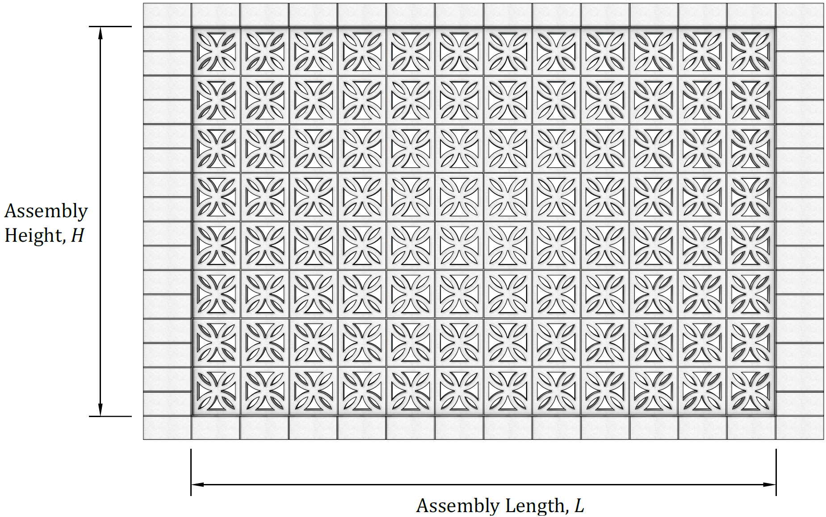

 |  |  |  |  | DISCLAIMER: The Block Design Collective (“BDC”) does not make any representations or warranties with respect to the accuracy or suitability of this information, and persons making use of this information do so at their own risk. BDC disclaims liability for damages of any kind, including any special, indirect, or consequential damages, which may result from use of this information. This information is not to be interpreted as indicating compliance with, or waiver of, any applicable building code, ordinance, standard or law.

Design Checks
Assembly Density and Weight
Where actual unit densities are known, they can be adjusted here. No grout is assumed present in the assembly. For simplicity, the density of the mortar is assumed equal to the density of the CMU used in constructing the assembly.
Assembly Properties |  |  |  |  |  |  |  |  |  |  |  |  |  | CMU Density (lb/ft3)
 |  |  | Nominal CMU Thickness, t (in.) = | Select Nominal Wall Thickness |  |  |  |  |  | Specified CMU Thickness, tsp (in.) = | #VALUE! |  | CMU Density Class
 |  |  | Percent Solid of Assembly (lb/ft3) = | 50% |  |  |  |  |  | CMU Density (lb/ft3) = | #N/A |  | Lightweight | 105
 |  |  | CMU Density (lb/ft3) = | Select CMU Density |  |  |  |  |  | Assembly Weight (lb/ft2) = | #N/A |  | Medium Weight | 120
 |  |  | Span Direction, Support, and Design Modeling= | Select Modeling Assumptions |  |  |  |  |  |  |  |  | Normal Weight | 135
 |  |  | Mortar Type = | Select Mortar Type |  |  |  |  |  | Span Direction = | Vertical
Modulus of Rupture
Assemblies are required to be laid in full mortar bedding with no discontinuities within the mortar head joints or bed joints for the modulus of rupture values applied here. Masonry cement mortars and air entrained portland cement/lime mortars have equivalent modulus of rupture values.
 |  |  | Assembly Height, H (ft) = | 0.00 |  |  |  |  |  | Support Conditions = | Simple Support |  | Modulus of Rupture Values
 |  |  | Assembly Length, L (ft) = | 0.00 |  |  |  |  |  | Reinforced or Unreinforced = | Reinforced |  |  | Portland or Mortar Cement |  | Selected Mortar
 |  |  | Size of Joint Reinforcement = | 9 gauge |  |  |  |  |  | Mortar Type = | N |  | Span Direction | M/S | N | N
 |  |  | Spacing of Joint Reinforcement (in.) = | 16 |  |  |  |  |  | Mortar Cement Type = | Portland or Mortar Cement |  | Vertical | 133 | 100 | 100
 |  |  | Specified Yield Strength of Joint Reinforcement, fyJR (lb/in.2) = | 70,000 |  |  |  |  |  | Bond Pattern = | Select Bond Pattern |  | Horizontal | 267 | 200 | 200
Projected Assembly Surface Area
Assemblies where the ratio of the net-to-gross projected surface area normal to the assembly is 30% or more are classified as open in accordance with ASCE/SEI 7 and the resulting wind pressure reduced based on the actual net projected surface area of the assembly.
 |  |  | Specified Masonry Compressive Strength, f'm (lb/in.2) = | 1,750 |  |  |  |  |  | Modulus of Rupture (lb/in.2) = | 100
 |  |  | Bond Pattern = | Select Bond Pattern
 |  |  | Type of Assembly = | Freestanding Wall |  |  |  |  |  | Gross Surface Area of Assembly, Awg (ft2) = | 0.00
 |  |  | Location of Assembly = | Exterior |  |  |  |  |  | Net Surface Area of Assembly, Ang (ft2) = | 0.00

Wind Loading Modeling Criteria and Assumptions
1) Internal out-of-plane design wind pressures are determined in accordance with the envelope procedure of Chapter 28 of ASCE/SEI 7-22. No internal pressure reduction is considered for large volume buildings nor is internal pressure balancing. External out-of-plane design wind pressures are determined in accordance with the MWFRS procedure of Chapter 29 of ASCE/SEI 7-22.
2) External assemblies may be solid or open based on the ratio of the net-to-gross projected surface area of the assembly with corresponding wind force coefficients that vary as follows based on the opening classification of the assembly and its location:
a) Solid freestanding assemblies and assemblies part of a building envelope: C_{f} = 1.95
b) Solid assemblies located on rooftops: C_{f} = 2.24
c) Open assemblies at any location: C_{f} = 1.6
These coefficients are conservative and can be applied to any screen wall assembly for which the identified constraints apply regardless of the assembly's height-to-length ratio or relative location from the ground surface.
3) For internal assemblies, the internal pressure coefficients (GC_{pi}) per ASCE/SEI 7-22 Table 26.13-1 are as follows:
Enclosed and Partially Open Buildings: GC_{pi} = 0.18
Partially Enclosed Buildings: GC_{pi} = 0.55
4) The MWFRS design wind pressure is calculated at an elevation above grade corresponding to the mean height of the assembly. The exposure coefficient (K_{z}) is based on the tabulated data of ASCE/SEI 7 Table 26.10-1 corresponding to the mid-height of the assembly.
5) The directionality factor (K_{d}) and gust-effect factor (G) are taken equal to 0.85 per ASCE/SEI 7 corresponding to flat and rigid wall assemblies.
6) Uplift loads due to wind across the top surface of the assembly are assumed negligible.
7) Vortex shedding is not considered.
Design Loading
 | Superimposed Dead and Live Loads
 |  |  | Axial Dead Load (lb/ft) = | 0
 |  |  | Axial Live Load (lb/ft) = | 0 |  |  |  |  |  |  |  |  |  |  |  |  |  |  |  | Pressure Exposure Coefficient, Kz
 |  |  | Out-of-Plane Live Load (lb/ft2) = | 0 |  |  |  |  |  |  |  |  |  |  |  |  |  |  | Height above grade (ft)
 | Wind Loading
 |  |  | Basic Wind Speed, V (mph) = | 100 |  |  |  |  | Elevation of Mid-Wall Height Above Grade, z (ft) = | 0.00 |  |  |  |  |  |  |  |  | 15 | 0.70
 |  |  | Wind Exposure Category = | B |  |  |  |  | Pressure Exposure Coefficient, Kz = | 0.70 |  |  |  |  |  |  |  |  | 20 | 0.70
 |  |  | Ground Elevation (ft) = | 0 |  |  |  |  | Ground Elevation Factor, Ke = | 1 |  |  |  |  |  |  |  |  | 25 | 0.70
 |  |  | Height of Wall Base Above Grade (ft) = | 0.0 |  |  |  |  | Velocity Pressure, qz (lb/ft2) = | 17.9 |  |  |  |  |  |  |  |  | 30 | 0.70
 |  |  | Topographic Factor, Kzt = | 1.00 |  |  |  |  | Directionality Factor, Kd = | 0.85 |  |  |  |  |  |  |  |  | 40 | 0.74
 |  |  | Building Enclosure Classification = | Enclosed or Partially Open |  |  |  |  | Internal Pressure Coefficient, GCpi = | 0.18 |  |  |  |  |  |  |  |  | 50 | 0.79
 |  |  |  |  |  |  |  |  | Gust-Effect Factor, G = | 0.85 |  |  |  |  |  |  |  |  | 60 | 0.83
 |  |  |  |  |  |  |  |  | Force Coefficient, Cf = | 1.60 |  |  |  |  |  |  |  |  | 70 | 0.86
 |  |  |  |  |  |  |  |  | Exterior Design Wind Pressure, F (lb/ft2) = | 10.4 |  |  |  |  |  |  |  |  | 80 | 0.90
 |  |  |  |  |  |  |  |  | Internal Design Wind Pressure, p (lb/ft2) = | 1.4 |  |  |  |  |  |  |  |  | 90 | 0.92
 |  |  |  |  |  |  |  |  | Governing Design Wind Pressure (lb/ft2) = | 10.4 |  |  |  |  |  |  |  |  | 100 | 0.95

Seismic Loading Modeling Criteria and Assumptions
1) Out-of-plane seismic loads are determined in accordance with Chapter 13 (Nonstructural Components) of ASCE/SEI 7-22. Per ASCE/SEI 7 Table 13.3-1, architectural and nonstructural components in buildings assigned to SDC A and B are exempt from seismic loading. For these conditions, the out-of-plane seismic load (F_{p}) is taken equal to zero.
2) The resonance ductility factor (C_{AR}) used in determining the out-of-plane seismic load varies depending on whether the assembly is designed as reinforced or unreinforced, the assembly's support conditions, and whether the assembly is located on the interior of a building as summarized in the tabulated values to the right.
3) The ductility reduction factor (R_{μ}) is conservatively taken equal to the smallest value stipulated by ASCE/SEI 7.
 | Seismic Loading |  |  |  |  |  |  |  |  |  |  |  |  |  |  |  | Resonance Ductility Factor, CAR
 |  |  | Mapped Short Period Spectral Response Parameter, SMS = | 0.10 |  |  |  |  | Design Short Period Spectral Response Parameter, SDS = | 0.07 |  |  |  |  |  |  | Wall Location | Reinforced | Support | At Grade | Governing
 |  |  | Importance Factor, Ip = | 1.00 |  |  |  |  | Seismic Force Amplification Factor, Hf = | 1.0 |  |  |  |  |  |  | Interior | Yes | Simple Support | 1
 |  |  | Seismic Design Category = | A |  |  |  |  | Ductility Reduction Factor, Rμ = | 1.3 |  |  |  |  |  |  | Interior | No | Simple Support | 2.2 | 2.2
 |  |  | Average Roof Height of Building (ft) = | 30.00 |  |  |  |  | Resonance Ductility Factor, CAR = | 1.0 |  |  |  |  |  |  | Interior | No | Cantilevered | 1.8
 |  |  |  |  |  |  |  |  | Assembly Strength Factor, Rpo = | 1.5 |  |  |  |  |  |  | Exterior | Either | Either | 1
 |  |  |  |  |  |  |  |  | Out-of-Plane Seismic Load, Fp (lb/ft2) = | 0.0

Design Loading - Combination of Loads Modeling Criteria and Assumptions
1) Each potentially governing strength level load combination stipulated by ASCE/SEI 7 Chapter 2 is checked and the critical design load is used for designing the masonry assembly. For vertically spanning assemblies, this calculator conservatively assumes axial loads are minimum when this load increases the assembly strength and assumes the axial loads are maximum when conducting strength design checks. For horizontally spanning assemblies, any axial load present is neglected as it neither increases or decreases the assembly strength.
2) Strength design checks are performed using the strength design provision of Chapter 9 of TMS 402. Out-of-plane allowable stress level loads are also determined as these loads are used to check the out-of-plane deflection of the assembly when modeled as a reinforced wall spanning horizontally. Other support and span conditions addressed by this calculator assume the assembly is unreinforced and therefore uncracked. Out-of-plane deflections associated with an uncracked, unreinforced assembly are considered sufficiently small to prevent any serviceability or performance issues.
3) For assemblies associated with buildings assigned to SDC C or higher, the design axial load includes the vertical earthquake component associated with the wall dead load: 0.2S_{DS}D. Similarly, out-of-plane seismic loads are included for assemblies assigned to SDC C or higher.
4) Axial loads are determined at the mid-height of the wall when the assembly is modeled as simply-supported and vertically spanning. For vertically spanning cantilevered assemblies, these same checks are performed at the base of the assembly.
5) Second order effects are checked for all vertically spanning assemblies. These same checks are not performed for horizontally spanning assemblies as the presences of any axial load in the horizontal direction is assumed to be negligible.
 | Load Combinations
 |  | Out-of-Plane Factored Loads - Strength Level Loads
 |  |  | 1.6L (lb/ft2) = | 0.0
 |  |  | 1.0W + 1.0L (lb/ft2) = | 10.4
 |  |  | 1.0Eh + 1.0L (lb/ft2) = | 0.0
 |  |  | Controlling Out-of-Plane Factored Load - SD (lb/ft2) = | 10.4
 |  | Out-of-Plane Factored Loads - Allowable Level Loads
 |  |  | 1.0L (lb/ft2) = | 0.0
 |  |  | 0.6W (lb/ft2) = | 6.2
 |  |  | 0.75L + 0.45W (lb/ft2) = | 4.7
 |  |  | 0.7Eh (lb/ft2) = | 0.0
 |  |  | 0.525Eh + 0.75L (lb/ft2) = | 0.0
 |  |  | Controlling Out-of-Plane Factored Load - ASD (lb/ft2) = | 6.2
 |  | Axial Factored Loads - Strength Level Loads - Wall Mid-Height |  |  |  |  | Axial Factored Loads - Strength Level Loads - Wall Base
 |  |  | Assembly Dead Load at Wall Mid-Height (lb/ft) = | #N/A |  |  |  |  |  | Assembly Dead Load at Wall Base (lb/ft) = | #N/A
 |  |  | Vertical Seismic Load at Wall Mid-Height, Ev (lb/ft) = | 0.0 |  |  |  |  |  | Vertical Seismic Load at Wall Base, Ev (lb/ft) = | 0.0
 |  |  | 1.4D (lb/ft) = | #N/A |  |  |  |  |  | 1.4D (lb/ft) = | #N/A
 |  |  | 0.9D (lb/ft) = | #N/A |  |  |  |  |  | 0.9D (lb/ft) = | #N/A
 |  |  | 1.2D + 1.6L (lb/ft) = | #N/A |  |  |  |  |  | 1.2D + 1.6L (lb/ft) = | #N/A
 |  |  | 1.2D + 1.0Ev + 1.0L (lb/ft) = | #N/A |  |  |  |  |  | 1.2D + 1.0Ev + 1.0L (lb/ft) = | #N/A
 |  |  | 0.9D - 1.0Ev (lb/ft) = | #N/A |  |  |  |  |  | 0.9D - 1.0Ev (lb/ft) = | #N/A
 |  |  | Controlling Minimum Factored Axial Load (lb/ft) = | #N/A |  |  |  |  |  | Controlling Minimum Factored Axial Load (lb/ft) = | #N/A
 |  |  | Controlling Maximum Factored Axial Load (lb/ft) = | #N/A |  |  |  |  |  | Controlling Maximum Factored Axial Load (lb/ft) = | #N/A

Design Assumptions: Vertically Spanning, Simply-Supported, Unreinforced Assembly
1) Design checks include: a) out-of-plane flexure; and b) out-of-plane shear. Given the absence of meaningful axial loads for these non-load-bearing assemblies, axial compression and any associated second-order effects are not checked. All design checks assume fully bedded mortar joints.
2) Out-of-plane flexure is assumed controlled by the modulus of rupture of the assembly. The resulting flexural tension is offset by the minimum axial compression stress present at the mid-height of the assembly.
3) The nominal out-of-plane shear strength is governed by either 56A_{nv} for assemblies laid in running bond or 23A_{nv} for assemblies laid in other than running bond. Any contribution from the axial load in increasing the out-of-plane shear strength is conservatively ignored. Although checked, shear should rarely control for these assemblies.
Design Checks
 | Vertically Spanning, Simply-Supported, Unreinforced Assembly
 |  | Out-of-Plane Flexure |  |  | Out-of-Plane Shear
 |  |  | Strength Reduction Factor, ϕ = | 0.6 |  |  |  | Strength Reduction Factor, ϕ = | 0.8
 |  |  | Factored Out-of-Plane Moment, Mu (in.-lb/ft) = | 0.0 |  |  |  | Net Shear Area, Anv (in.2/ft) = | #VALUE!
 |  |  | Net Cross-Sectional Area, An (in.2/ft) = | #VALUE! |  |  |  | Nominal Shear Strength Coefficient = | 23.0
 |  |  | Net Section Modulus, Sn (in.3/ft) = | #VALUE! |  |  |  | Design Shear Strength, ϕVn (lb/ft) = | #VALUE!
 |  |  | Minimum Factored Axial Stress, Pu/An (lb/ft) = | #N/A |  |  |  | Factored Out-of-Plane Shear, Vu (lb/ft) = | 0.0
 |  |  | Factored Out-of-Plane Net Flexural Tension, fu (lb/in.2) = | #VALUE! |  |  |  | Out-of-Plane Shear Utilization = | #VALUE!
 |  |  | Design Strength Modulus of Rupture, ϕfr (lb/in.2) = | 60.0
 |  |  | Out-of-Plane Flexural Tension Utilization = | #VALUE!

Design Assumptions: Vertically Spanning, Cantilevered, Unreinforced Assembly
1) Design checks include: a) out-of-plane flexure; and b) out-of-plane shear. Given the absence of meaningful axial loads for these non-load-bearing assemblies, axial compression and any associated second-order effects are not checked. All design checks assume fully bedded mortar joints.
2) Out-of-plane flexure is assumed controlled by the modulus of rupture of the assembly. The resulting flexural tension is offset by the minimum axial compression stress present at the base of the assembly.
3) The nominal out-of-plane shear strength is governed by either 56A_{nv} for assemblies laid in running bond or 23A_{nv} for assemblies laid in other than running bond. Any contribution from the axial load in increasing the out-of-plane shear strength is conservatively ignored. Although checked, shear should rarely control for these assemblies.
 | Vertically Spanning, Cantilevered, Unreinforced Assembly
 |  | Out-of-Plane Flexure |  |  | Out-of-Plane Shear
 |  |  | Strength Reduction Factor, ϕ = | 0.6 |  |  |  | Strength Reduction Factor, ϕ = | 0.8
 |  |  | Factored Out-of-Plane Moment, Mu (in.-lb/ft) = | 0.0 |  |  |  | Net Shear Area, Anv (in.2/ft) = | #VALUE!
 |  |  | Net Cross-Sectional Area, An (in.2/ft) = | #VALUE! |  |  |  | Nominal Shear Strength Coefficient = | 23.0
 |  |  | Net Section Modulus, Sn (in.3/ft) = | #VALUE! |  |  |  | Design Shear Strength, ϕVn (lb/ft) = | #VALUE!
 |  |  | Minimum Factored Axial Stress, Pu/An (lb/ft) = | #N/A |  |  |  | Factored Out-of-Plane Shear, Vu (lb/ft) = | 0.0
 |  |  | Factored Out-of-Plane Net Flexural Tension, fu (lb/in.2) = | #VALUE! |  |  |  | Out-of-Plane Shear Utilization = | #VALUE!
 |  |  | Design Strength Modulus of Rupture, ϕfr (lb/in.2) = | 60.0
 |  |  | Out-of-Plane Flexural Tension Utilization = | #VALUE!

Design Assumptions: Horizontally Spanning, Simply-Supported, Unreinforced Assembly
1) Design checks include: a) out-of-plane flexure; and b) out-of-plane shear. Given the absence of axial loads in the horizontal direction axial compression and any associated second-order effects are not checked. All design checks assume fully bedded mortar joints.
2) Out-of-plane flexure is assumed controlled by the modulus of rupture of the assembly. No offsetting axial compression is taken into account given that this assembly is horizontally spanning.
3) The nominal out-of-plane shear strength is governed by either 56A_{nv} for assemblies laid in running bond or 23A_{nv} for assemblies laid in other than running bond. Any contribution from the axial load in increasing the out-of-plane shear strength is conservatively ignored. Although checked, shear should rarely control for these assemblies.
 | Horizontally Spanning, Simply-Supported, Unreinforced Assembly
 |  | Out-of-Plane Flexure |  |  | Out-of-Plane Shear
 |  |  | Strength Reduction Factor, ϕ = | 0.6 |  |  |  | Strength Reduction Factor, ϕ = | 0.8
 |  |  | Factored Out-of-Plane Moment, Mu (in.-lb/ft) = | 0.0 |  |  |  | Net Shear Area, Anv (in.2/ft) = | #VALUE!
 |  |  | Net Section Modulus, Sn (in.3/ft) = | #VALUE! |  |  |  | Nominal Shear Strength Coefficient = | 23.0
 |  |  | Factored Out-of-Plane Net Flexural Tension, fu (lb/in.2) = | #VALUE! |  |  |  | Design Shear Strength, ϕVn (lb/ft) = | #VALUE!
 |  |  | Design Strength Modulus of Rupture, ϕfr (lb/in.2) = | 60.0 |  |  |  | Factored Out-of-Plane Shear, Vu (lb/ft) = | 0.0
 |  |  | Out-of-Plane Flexural Tension Utilization = | #VALUE! |  |  |  | Out-of-Plane Shear Utilization = | #VALUE!

Design Assumptions: Horizontally Spanning, Simply-Supported, Reinforced Assembly
1) Design checks include: a) out-of-plane flexure; b) out-of-plane deflection; and c) out-of-plane shear. Given the absence of axial loads in the horizontal direction axial compression and any associated second-order effects are not checked. All design checks assume fully bedded mortar joints.
2) Out-of-plane flexure is based on the flexural strength provided by the joint reinforcement. No offsetting axial compression is taken into account given that this assembly is horizontally spanning. A strength reduction factor of 0.9 is used corresponding to a tension-controlled section. All assembly configurations addressed with this calculator will be tension-controlled. The smallest normalized area of reinforcement for a tension-controlled section would correspond to the lowest compressive strength and smallest wall thickness: (0.19)(f'_{m})(b)(d)/(0.9)(f_{y}) = (0.19)(1,750 lb/in.²)(12 in./ft)(2.926 in.)/(0.9)(70,000 lb/in.²) = 0.185 in.²/ft. For 3/16 in. joint reinforcement spaced at 4 in. on center: A_{s} = (0.027 in.²)(12 in./ft)/(4 in.) = 0.081 in.²/ft.
3) The effective depth of the joint reinforcement in resisting out-of-plane loads is based on standard joint reinforcement dimensions, which is typically 1.25 in. narrower than the specified thickness of the assembly to account for ⁵/₈ in. cover distance required by TMS 402 for corrosion protection.
4) TMS 402 and the International Building Code have two different out-of-plane deflection checks for interior partitions. TMS 402 limits the out-of-plane deflection to 0.007H under allowable stress level loads whereas the IBC limits the out-of-plane deflection to H/240 under 42% of the components and cladding wind pressure. Both deflection checks are performed and reported. In determining the component and cladding pressure, the largest wind pressure coefficient (GC_{p}) of 1.4 is conservatively assumed per ASCE/SEI 7 Figure 30.3-1 and added to the internal pressure coefficient (GC_{pi}).
5) The nominal out-of-plane shear strength is governed by either 56A_{nv} for assemblies laid in running bond or 23A_{nv} for assemblies laid in other than running bond. Any contribution from the axial load in increasing the out-of-plane shear strength is conservatively ignored. Although checked, shear should rarely control for these assemblies.
 | Horizontally Spanning, Simply-Supported, Reinforced Assembly
 |  | Out-of-Plane Flexure |  |  |  | Out-of-Plane Deflection |  |  |  |  |  | Out-of-Plane Shear
 |  |  | Strength Reduction Factor, ϕ = | 0.9 |  |  |  |  | Allowable Stress Level Design Moment, Ms (in.-lb/ft) = | 0 |  |  | Strength Reduction Factor, ϕ = | 0.8
 |  |  | Area of Joint Reinforcement, AsJR (in.2) = | 0.017 |  |  |  |  | Net Section Modulus, Sn (in.3/ft) = | #VALUE! |  |  | Net Shear Area, Anv (in.2/ft) = | #VALUE!
 |  |  | Diameter of Joint Reinforcement (in.) = | 0.148 |  |  |  |  | Cracking Moment, Mcr (in.-lb/ft) = | #VALUE! |  |  | Nominal Shear Strength Coefficient = | 23.0
 |  |  | Specified Wall Thickness, tsp (in.) = | #VALUE! |  |  |  |  | Depth of Neutral Axis , c (in.) = | 0.07 |  |  | Design Shear Strength, ϕVn (lb/ft) = | #VALUE!
 |  |  | Effective Depth of Joint Reinforcement, dJR (in.) = | #VALUE! |  |  |  |  | Modulus of Elasticity of Masonry, Em (lb/in.2) = | 1,575,000 |  |  | Factored Out-of-Plane Shear, Vu (lb/ft) = | 0.0
 |  |  | Area of Joint Reinforcement, AsJR (in.2/ft) = | 0.0128 |  |  |  |  | Modulus of Elasticity of Reinforcement, Es (lb/in.2) = | 29,000,000 |  |  | Out-of-Plane Shear Utilization = | #VALUE!
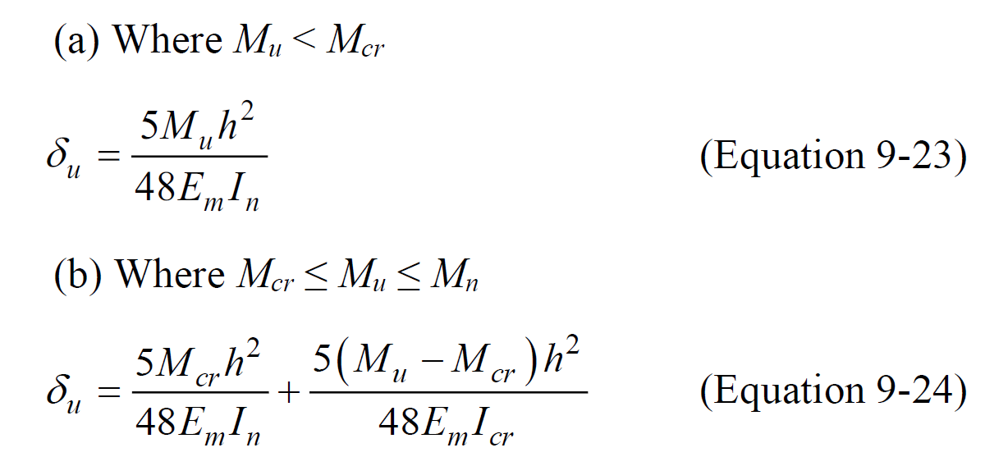
 |  |  | Depth of Compression Block, a (in.) = | 0.05 |  |  |  |  | Modular Ratio, n = | 18.4
 |  |  | Design Flexural Strength, ϕMn (in.-lb/ft) = | #VALUE! |  |  |  |  | Cracked Moment of Inertia, Icr (in.4/ft) = | #VALUE!
 |  |  | Factored Out-of-Plane Moment, Mu (in.-lb/ft) = | 0.0 |  |  |  |  | Net Moment of Inertia, In (in.4/ft) = | #VALUE!
 |  |  | Out-of-Plane Flexural Strength Utilization = | #VALUE! |  |  |  |  | Calculated Deflection, δsTMS (in.) = | #VALUE!
 |  |  |  |  |  |  |  |  | Maximum Permitted Deflection, δmaxTMS (in.) = | 0.00
 |  |  |  |  |  |  |  |  | TMS 402 Deflection Utilization = | #VALUE!
 |  |  |  |  |  |  |  |  | 42% of Component and Cladding Wind Pressure (lb/ft2) = | 10.1
 |  |  |  |  |  |  |  |  | 42% C&C Design Moment, Mcc (in.-lb/ft) = | 0
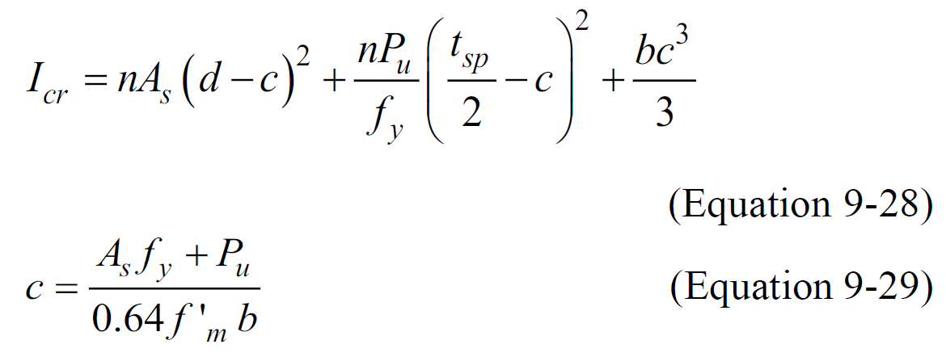
 |  |  |  |  |  |  |  |  | Calculated Deflection, δsIBC (in.) = | #VALUE!
 |  |  |  |  |  |  |  |  | Maximum Permitted Deflection, δmaxIBC (in.) = | 0.00
 |  |  |  |  |  |  |  |  | IBC Deflection Utilization = | #VALUE!

 |  |  |  |  |  | Moment | Shear
 |  |  |  |  | Vertical - URM - Simple Support
 |  |  |  |  | Vertical - URM - Cantilevered
 |  |  |  |  | Horizontal - URM - Simple Support
 |  |  |  |  | Horizontal - Reinforced - Simple Support

